Detailed Inquiry Information
Detailed Inquiry Information

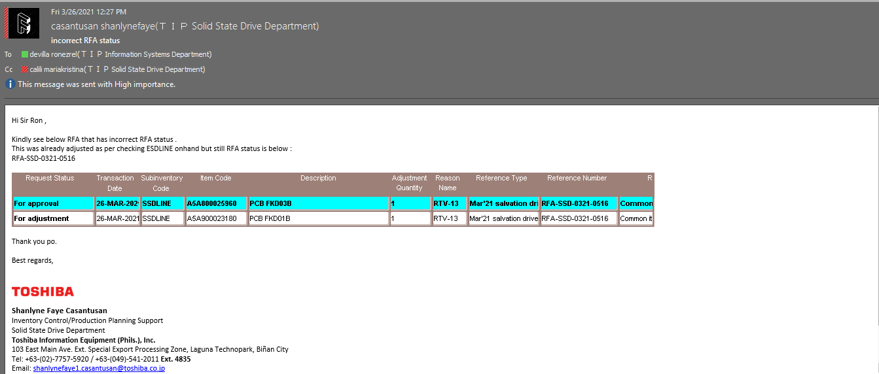

 | RFA INTERFACE

 | TRANSACTION_ID | TRANSACTION_DATE | ORGANIZATION_ID | SUBINVENTORY_CODE | INVENTORY_ITEM_ID | ITEM_CODE | TRANSACTION_TYPE_ID | TRANSACTION_TYPE_NAME | LOCATOR_ID | LOCATOR_CODE | REFERENCE_NUMBER | ADJUSTMENT_QUANTITY | REASON_ID | REASON_CODE | REFERENCE_TYPE | REMARKS | NEXT_APPROVER | PROCESS_FLAG | REQUESTOR_ID | REQUESTOR_NAME | DATE_REQUESTED | APPROVER1_ID | APPROVER1_NAME | DATE_APPROVED1 | APPROVER2_ID | APPROVER2_NAME | DATE_APPROVED2 | ADJUSTED_BY_ID | ADJUSTED_BY_NAME | DATE_ADJUSTED | LAST_UPDATED_BY | LAST_UPDATED_DATE | ERROR_MESSAGE | RFA_FLAG
 | 889858 | 2021-03-26 | 130 | SSDLINE | 3186748 | A5A800025960 | 32 | Miscellaneous issue |  |  | RFA-SSD-0321-0516 | 1 | 63 | RTV-13 | Mar'21 salvation drive | Common item | 12672 | 2 | 14551 | Z7123TIP | 3/26/21 | 4387 | Z1089TIP | 3/26/21 | 4207 | Z0026TIP | 3/26/21 | 12672 | Z6992TIP | 3/26/21 | 12672 | 3/26/21 |  | 20
 | 889859 | 2021-03-26 | 130 | SSDLINE | 2708277 | A5A900023180 | 42 | Miscellaneous receipt |  |  | RFA-SSD-0321-0516 | 1 | 63 | RTV-13 | Mar'21 salvation drive | Common item | 12672 | 2 | 14551 | Z7123TIP | 3/26/21 | 4387 | Z1089TIP | 3/26/21 | 4207 | Z0026TIP | 3/26/21 | 12672 | Z6992TIP | 3/26/21 | 12672 | 3/26/21 |  | 30

 | MMT

 | TRANSACTION_ID | SEGMENT1 | TRANSACTION_QUANTITY | TRANSACTION_TYPE_NAME | TRANSACTION_SOURCE_NAME | TRANSACTION_SOURCE_ID | WIP_ENTITY_NAME | MO_DATE | TRANSACTION_DATE | ORGANIZATION_CODE | SUBINVENTORY_CODE | LOC1 | LOC2 | LOC3 | TRANSFER_ORGANIZATION_CODE | TRANSFER_SUBINVENTORY | TRANSFER_LOC1 | TRANSFER_LOC2 | TRANSFER_LOC3 | SOURCE_CODE | ATTRIBUTE10 | LAST_UPDATE_DATE | CREATION_DATE | LAST_UPDATED_BY | CREATED_BY
 | 835697484 | A5A900023180 | 1 | Miscellaneous receipt |  |  |  |  | 3/26/21 | SSD | SSDLINE |  |  |  | SSD |  |  |  |  | RFA_0001 |  | 3/26/21 | 3/26/21 | 4862 | 12672
 | 835697485 | A5A800025960 | -1 | Miscellaneous issue |  |  |  |  | 3/26/21 | SSD | SSDLINE |  |  |  | SSD |  |  |  |  | RFA_0001 |  | 3/26/21 | 3/26/21 | 4862 | 12672

Actual Operation Evidence
Actual Operation Evidence

 | Recovery

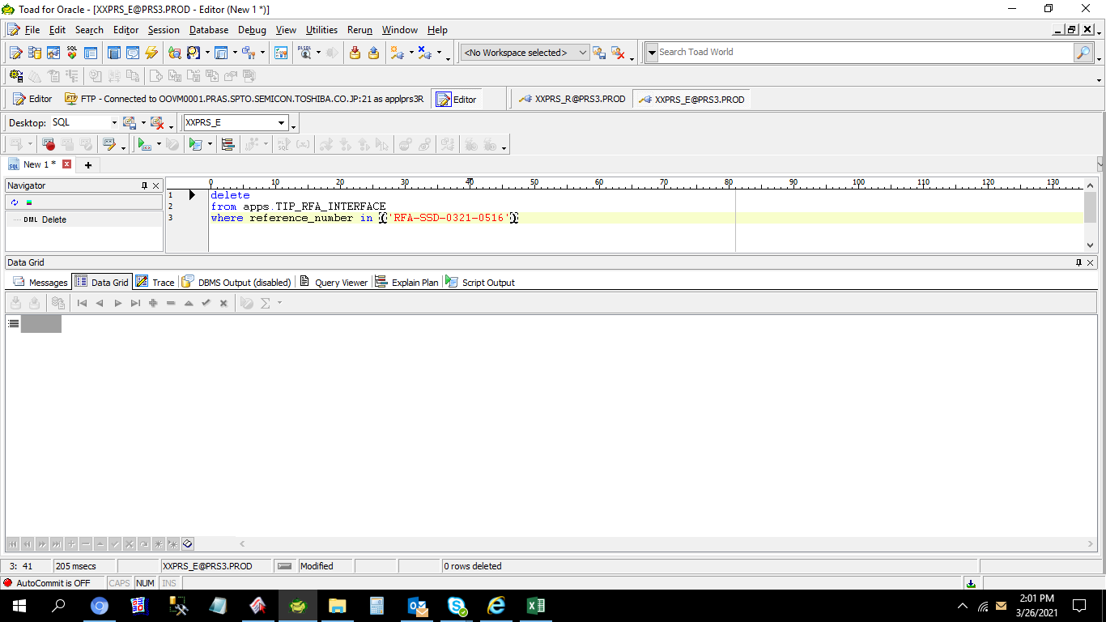

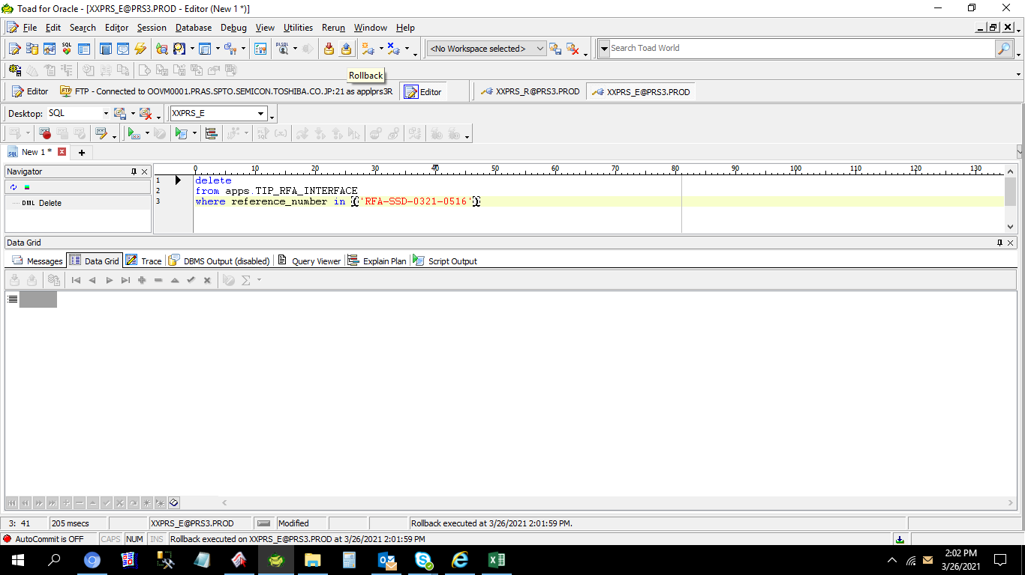

 | When we execute the delete query 0 rows updated so we check again the RFA transactions

 | Data suddenly appear on RFA_TRANSACTIONS_TABLE

 | TRANSACTION_ID | TRANSACTION_DATE | SUBINVENTORY_CODE | ITEM_CODE | TRANSACTION_TYPE_NAME | LOCATOR_CODE | REFERENCE_NUMBER | ADJUSTMENT_QUANTITY | REASON_CODE | REFERENCE_TYPE | REMARKS | REQUESTOR_NAME | DATE_REQUESTED | APPROVER1_NAME | DATE_APPROVED1 | APPROVER2_NAME | DATE_APPROVED2 | ADJUSTED_BY_NAME | DATE_ADJUSTED | LAST_UPDATED_BY | LAST_UPDATED_DATE | ERROR_MESSAGE | ORGANIZATION_ID
 | 889858 | 2021-03-26 | SSDLINE | A5A800025960 | Miscellaneous issue |  | RFA-SSD-0321-0516 | 1 | RTV-13 | Mar'21 salvation drive | Common item | Z7123TIP | 3/26/21 | Z1089TIP | 3/26/21 | Z0026TIP | 3/26/21 | Z6992TIP | 3/26/21 | 12672 | 3/26/21 |  | 130
 | 889859 | 2021-03-26 | SSDLINE | A5A900023180 | Miscellaneous receipt |  | RFA-SSD-0321-0516 | 1 | RTV-13 | Mar'21 salvation drive | Common item | Z7123TIP | 3/26/21 | Z1089TIP | 3/26/21 | Z0026TIP | 3/26/21 | Z6992TIP | 3/26/21 | 12672 | 3/26/21 |  | 130

 | No data on the interface table

